Data Modelling
Northwind

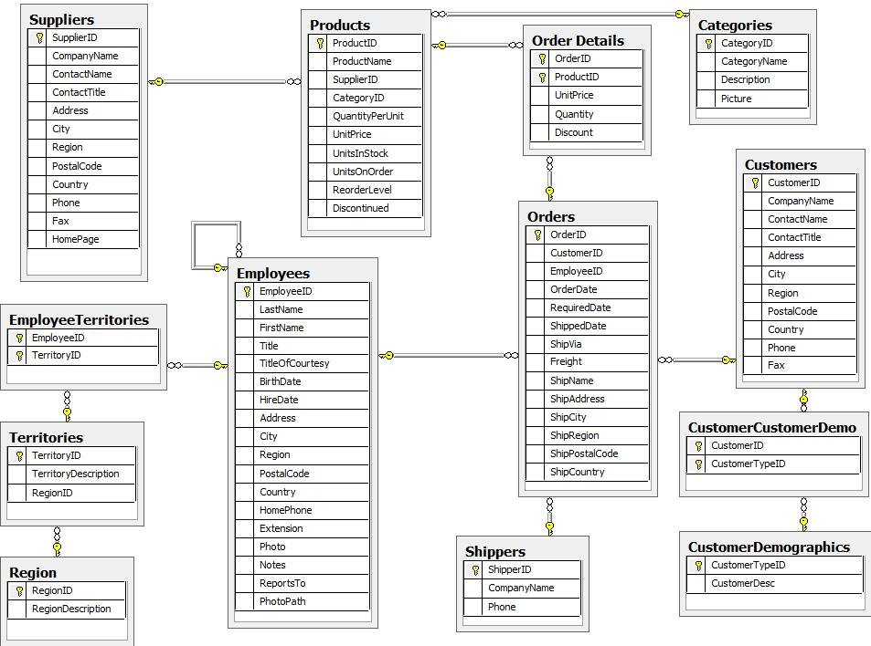

Raw Data Vault

TODO

Information Mart Star Schema

TODO

